Sheet1
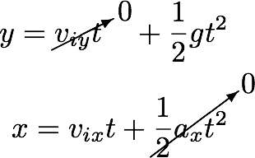
Horizontal Motion associated with projectile
Run | Measured Height (y in meters) | Measured Distance (x in meters) | Time (t in seconds) | Initial Velocity (m/s) | Vertical Acceleration (gravity = -9.8 m/s2) | Horizontal Acceleration (0)
Example | 0.25 | 0.15 | 0.23 | 0.66
1 | 0.25 | 0.17 | 0.23 | 0.75
2 | 0.25 | 0.74 | 0.23 | 3.28
3 | 0.25 | 0.90 | 0.23 | 3.98
4 | 0.25 | 0.28 | 0.23 | 1.24
5 | 0.25 | 0.23 | 0.23 | 1.02

